Table 1

R E S E A R C H L A B S
Web Scraping and EDA Project on IMDb(Bollywood)


About me
✔ I am from B.Tech background from the stream of ECE ✔ I want to learn data science because it holds the promise of a career with high pay, high demand, and high security. ✔ No work experience I am fresher
✔ I am from B.Tech background from the stream of CSE ✔ I want to learn data science because it holds the promise of a career with high pay, high demand, and high security. ✔ No work experience I am fresher

Libraries Used in this Project Warnings
Requests
BeautifulSoup
Regex ( re )
Pandas
Numpy
Matplotlib
Seaborn
Time
What is Web Scarping and WHY?
▪ Whenever we want any information, we google it and go to the webpage,
which offers the most relevant answer to our query. We can view the data
we needed. But what if we need it to save locally?What if we want to see
the data of a hundred more pages?
▪ This is where web scraping comes in. It automates this process and helps
you store all the required data with ease and small amount of time.
Website used for scraping:
Introduction:
• A commercial success movie not only entertains audience, But also enables film companies to gain tremendrous profit,so here we not taking about the tremendous profit we talking about the rating that which is given by the people, If viewers like the movie they will give the best rating and review ,however in this case we are considering the rating and genre of the movie that which viewers are will like.

URL used for the scarping the movie details and the other variables that required for the analysis is : https://www.imdb.com/list/ls047058982/?sort=list_order,asc&st_dt=&m ode=detail&page=%7Bi%7D

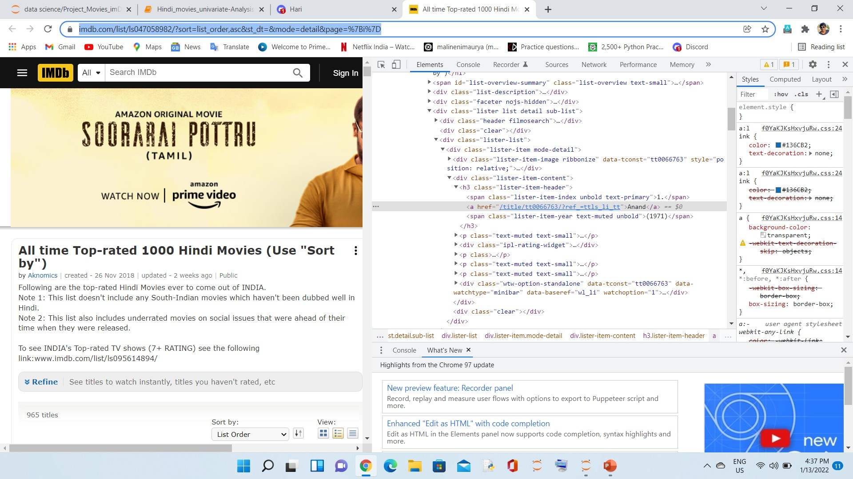
Raw DataFram e Before Cleaning:

Null values before cleaning:

Cleanin g of the extracte d Data:

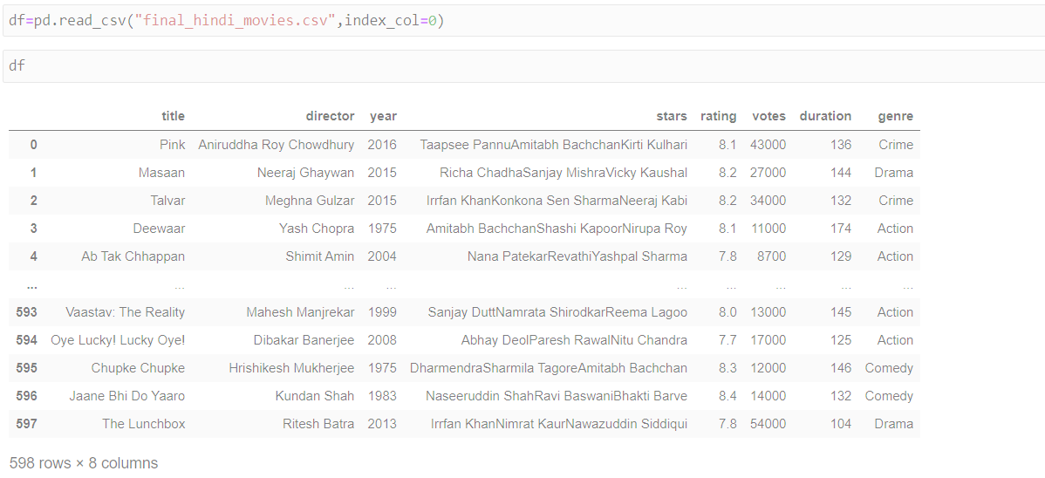
Final DataFrame that without null values and completely cleaned data:

 | 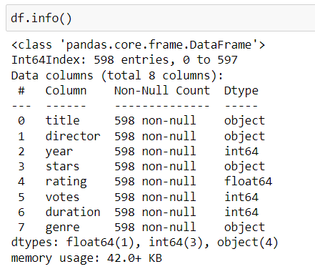

Null Value After cleaning:
PROBLEM STATEMENT:


Based on the massive movie information. It would be interesting to understand what are important factors that make a movie more successful than the others,so we need to analyze what type of movies are more successful .
In this project, we take the IMDb rating as a response varaiable and focus on operating predictions by analyzing the rest of variables in the IMDb 600 bollywood movie data set. The result will help the film companies to understand the secret of generating a commercial success movie in Bollywood.
DATA VISUALIZATION
Exploratory Data Analysis: | • Basically there is three type of analysis 1. Univariate Analysis : The analysis is done using only one variable may it be numerical or categorical. 2. Bivariate Analysis : The analysis is done using two variables. Possible combinations are :- i. Categorical - Numerical ii. Numerical - Numerical iii. Categorical - Categorical 3. Multivariate Analysis : The analysis is done on more than two variables.

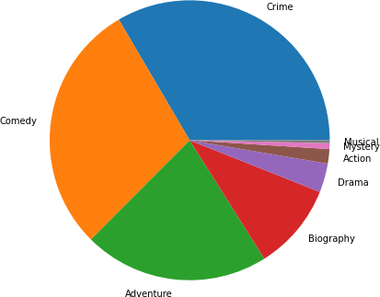
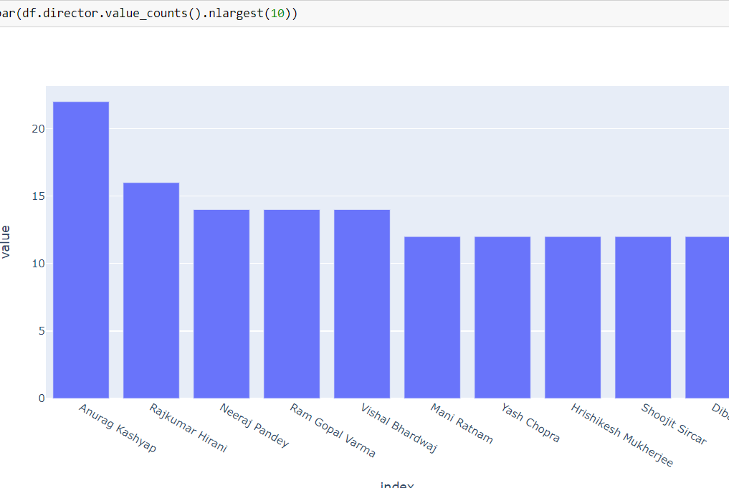
Finding the which genre has the highest movies in the data that taken by using pie chart?
• Here the most of the movies in the data are under the comedy and the crime • Most movies are the genre of the crime

• Here we are doing the analysis on the director column that which is a categorical so we had use the barplot to show the show the graph of the director.And here we had observed that the most of the movies are directed by the Anurag kashyap with the highest number of 22
Which director had directed the most of movies?
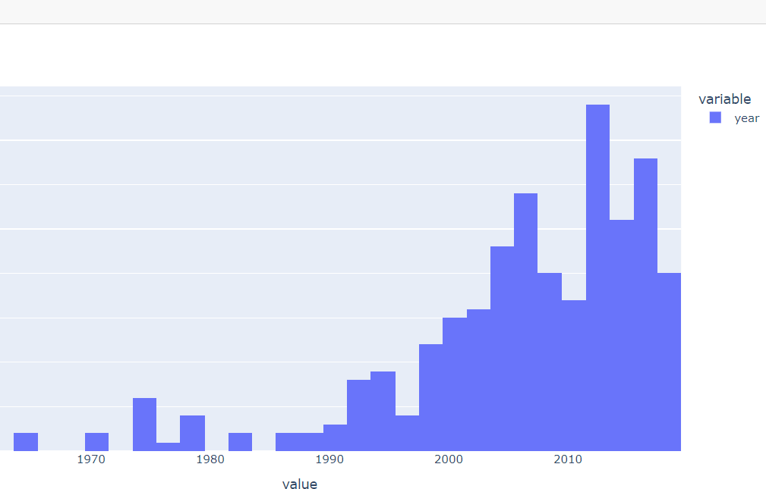
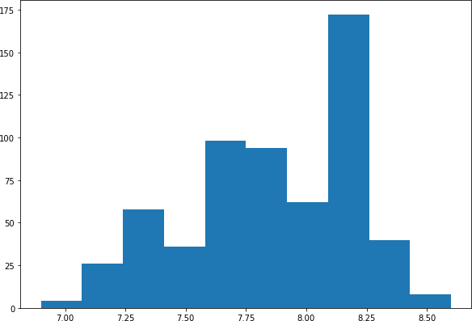 What is the rating that occurs more in the data? • Here we are taking the numerical data the "Rating", So we are using the Histogram, From my observation from the graph the i had observed that the most given rating for the Hindi movies is the 8.1 with the count of 90

• Here the data I had taken the year to observe the in which year most of the movies had released. From the graph we had observed that the most of the movies had been released in between 2012 - 2013. The movies released in that year are 78
In which year most of the movies got released?
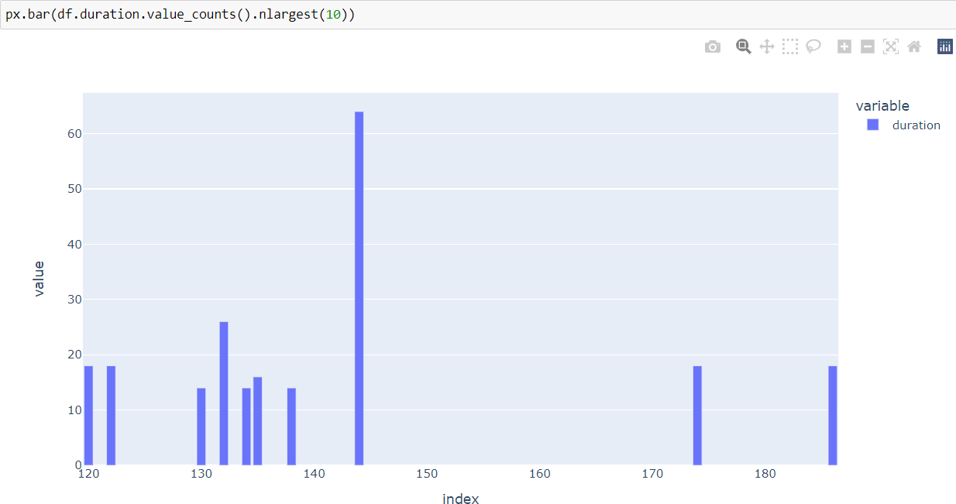 what is the duration that most movies had? • Here we are looking on the graph of duration of the movies. Here we had observed that the most of the movies had duration of 144 min. The movies with the 144 min duration are 64

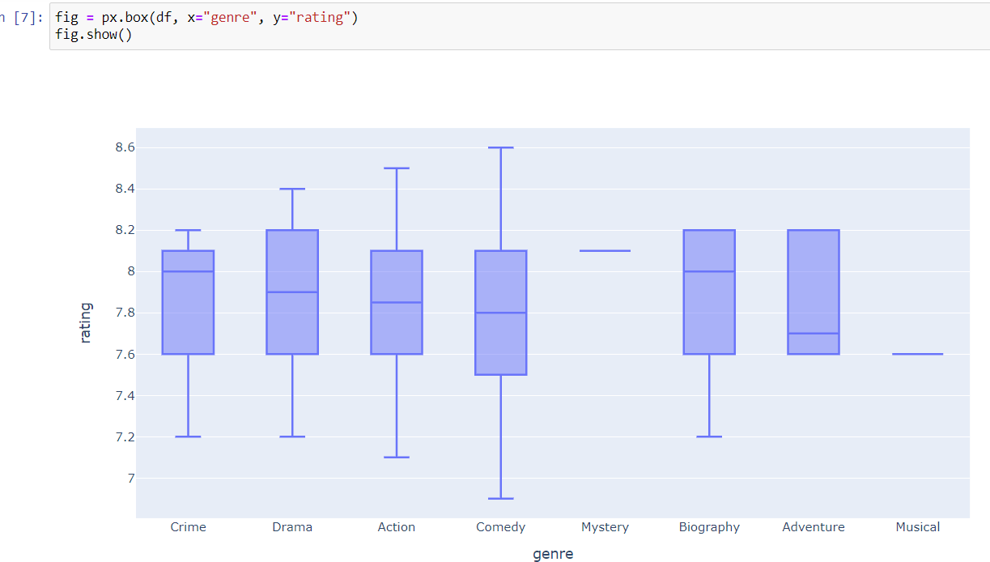
Which genre has the higher rating?
• Here in this graph I had observed that the most rating is given to the movies which are come under the genre of the "COMEDY" and the second most rating is given to the movies which comes under the genre of "ACTION"

Which director movies got higher rating?
• Here from the graph we had observed that the highest rating had given to the director "ANURAG KASHYAP"
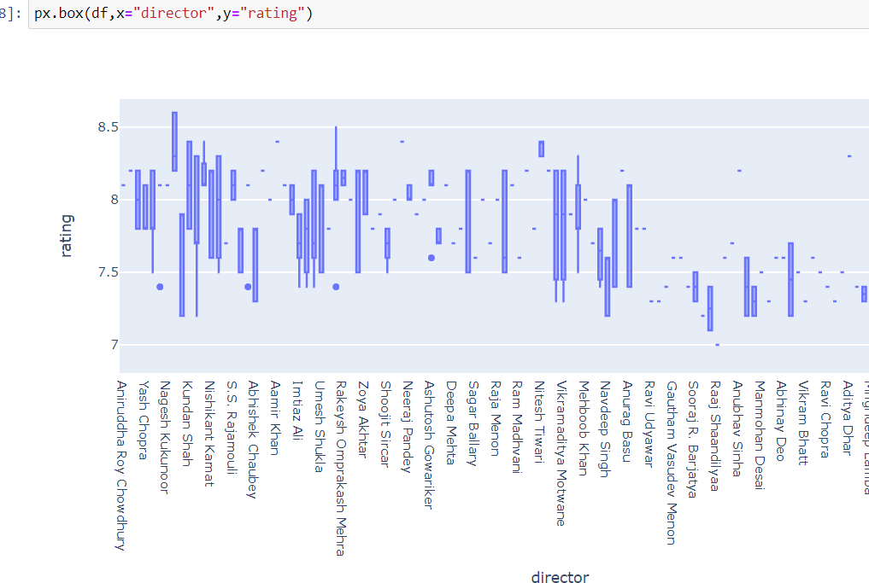
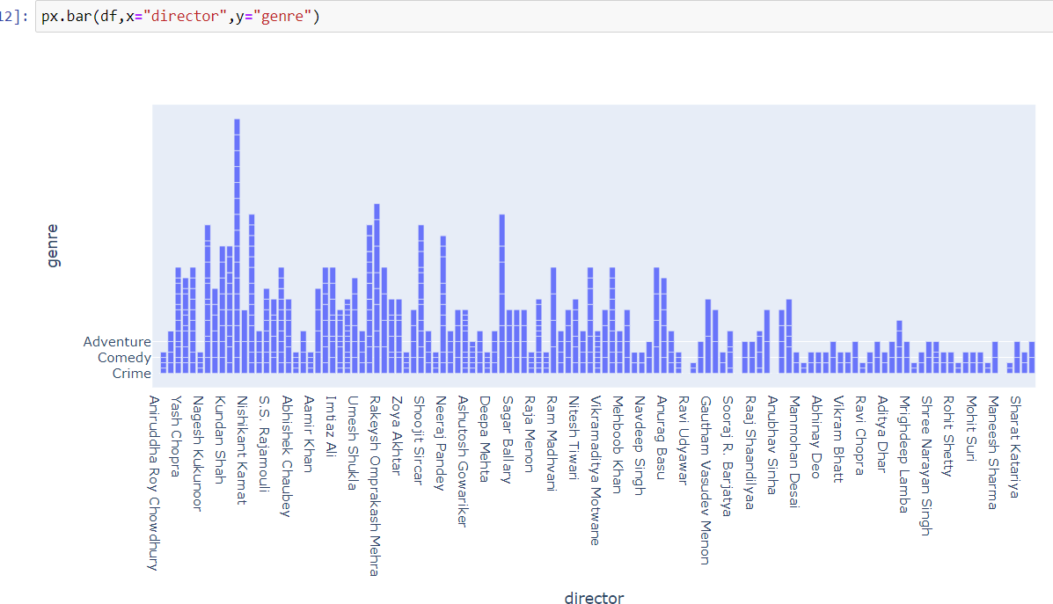
Which director directed the most genre movies?
• Here the most comedy movies are directed by the "Rajkumar hirani",The graph i had used to find the director who directed most genre movies.according to my observation most comedy were directed by the "Rajkumar hirani"


Draw some scatter plots and heatmaps and with that we are ready.

THANK YOU

Extracted data is in the form of unstructured format .

So, to convert it into structured format, python has provided Pandas library. With the help of Pandas Library, we can convert unstructured data into structured data ( Tabular Format ).

The unstructured data is always in the string format which contains some special characters and unwanted stuffs which we don't want.

So, after cleaning the unwanted things now we can convert the whole data into Data Frame by using Pandas Library.

So, to clean those unwanted things python has provided Regax and for loop. With the help of regax and for loop we can clean the unwanted things and get the desired things which we want.

